Sheet1
Spherical Tank
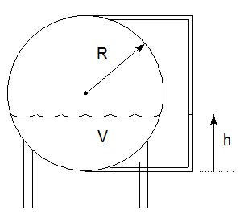
Radius | 1 | meter
 | 3.28 | ft
h (ft) | 3 | ft

Vol (ft^3) | 64.5 | ft^3
 | 482.4 | gal

 | Vol (gal)
h (ft) | 482.4
0.0 | 0.0
0.5 | 18.3
1.0 | 69.3
1.5 | 147.0
2.0 | 245.7
2.5 | 359.5
3.0 | 482.4
3.5 | 608.6
4.0 | 732.3
4.5 | 847.5
5.0 | 948.4
5.5 | 1029.0
6.0 | 1083.6

